1. BUSINESS INFORMATION
Business Information

 |  | DATE (DDMMYY) | [INSERT DATE]

ORGANISATION

[INSERT ORGANISATION'S NAME]

DESCRIPTION OF THE ORGANISATION

[INSERT DESCRIPTION OF YOUR BUSINESS]

DOCUMENT OWNER (LEAD): | [INSERT NAME]
POST/JOB TITLE: | [INSERT JOB TITLE]
CONTACT PHONE NUMBER: | [INSERT PHONE NUMBER]
EMAIL ADDRESS | [INSERT EMAIL ADDRESS]

DOCUMENT OWNER (SUPPORT): | [INSERT NAME]
POST/JOB TITLE: | [INSERT JOB TITLE]
CONTACT PHONE NUMBER: | [INSERT PHONE NUMBER]
EMAIL ADDRESS | [INSERT EMAIL ADDRESS]

DOES THIS BUSINESS UNIT GENERATE REVENUE FOR THE COMPANY? | [YES / NO]
IF YES, WHAT IS THE ANNUAL REVENUE? | [INSERT ANNUAL REVENUE]

OFFICE LOCATION - CITY/TOWN | [INSERT LOCATION]
REGION | [INSERT REGION]
BUILDING | [INSERT BUILDING NUMBER]
FLOOR | [INSERT FLOOR NUMBER]

OTHER KEY BUSINESS UNITS | [INSERT ADDITIONAL FARM LOCATIONS]
 | [INSERT ADDITIONAL FARM LOCATIONS]
 | [INSERT ADDITIONAL FARM LOCATIONS]
 | [INSERT ADDITIONAL FARM LOCATIONS]

2. PROBABILITY-IMPACT MATRIX
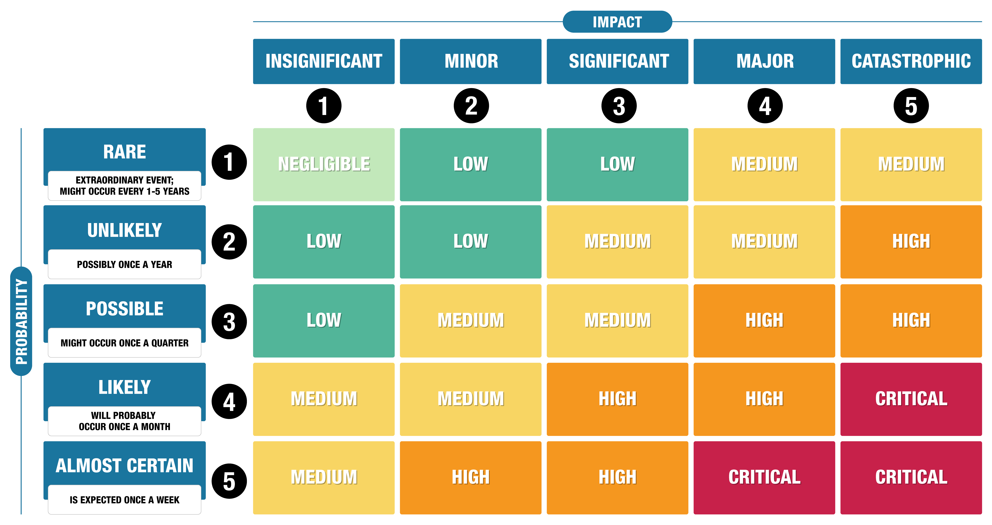
Probability-Impact Matrix

This 'Probability-Impact Matrix' assesses the rating of a risk and determines whether a risk can be classified as Negligible, Low, Medium, High or Critical. The Probability and Impact can each be ranked on a scale of 1-5. A risk level is calucated as the product of these two numbers and will range from 1-25.

3. RISK REGISTER
Risk Register

 |  |  | CURRENT LEVEL OF RISK AT THE ORGANISATION
RISK STATEMENT | VULNERABILITY/ WEAKNESSES | EXISTING CONTROLS | PROBABILITY | IMPACT | RISK MAGNITUDE | RISK RATING | RISK ACCEPTANCE DECISION | RISK OWNER | ADDITIONAL MITIGATING CONTROLS | RESPONSIBILTY | BY WHEN | COST | RISK RATING AFTER TREATMENT | RISK TREATMENT STATUS

 |  |  |  |  | 0 | —
 |  |  |  |  | 0 | —
 |  |  |  |  | 0 | —
 |  |  |  |  | 0 | —
 |  |  |  |  | 0 | —
 |  |  |  |  | 0 | —
 |  |  |  |  | 0 | —
 |  |  |  |  | 0 | —
 |  |  |  |  | 0 | —
 |  |  |  |  | 0 | —
 |  |  |  |  | 0 | —
 |  |  |  |  | 0 | —
 |  |  |  |  | 0 | —
 |  |  |  |  | 0 | —
 |  |  |  |  | 0 | —
 |  |  |  |  | 0 | —
 |  |  |  |  | 0 | —
 |  |  |  |  | 0 | —
 |  |  |  |  | 0 | —
 |  |  |  |  | 0 | —
 |  |  |  |  | 0 | —
 |  |  |  |  | 0 | —
 |  |  |  |  | 0 | —
 |  |  |  |  | 0 | —
 |  |  |  |  | 0 | —
 |  |  |  |  | 0 | —
 |  |  |  |  | 0 | —
 |  |  |  |  | 0 | —
 |  |  |  |  | 0 | —
 |  |  |  |  | 0 | —
 |  |  |  |  | 0 | —
 |  |  |  |  | 0 | —
 |  |  |  |  | 0 | —
 |  |  |  |  | 0 | —
 |  |  |  |  | 0 | —
 |  |  |  |  | 0 | —
 |  |  |  |  | 0 | —
 |  |  |  |  | 0 | —
 |  |  |  |  | 0 | —
 |  |  |  |  | 0 | —
 |  |  |  |  | 0 | —

